KROP (EDIBLE FLOWER)
DATE | INV.NO | DESCRIPTION | QTY | BILLS | PRICE | SUBTOTAL | TOTAL
20-Nov-2025 | 113900 | EDIBLE FLOWER MIX (N) | 1 | 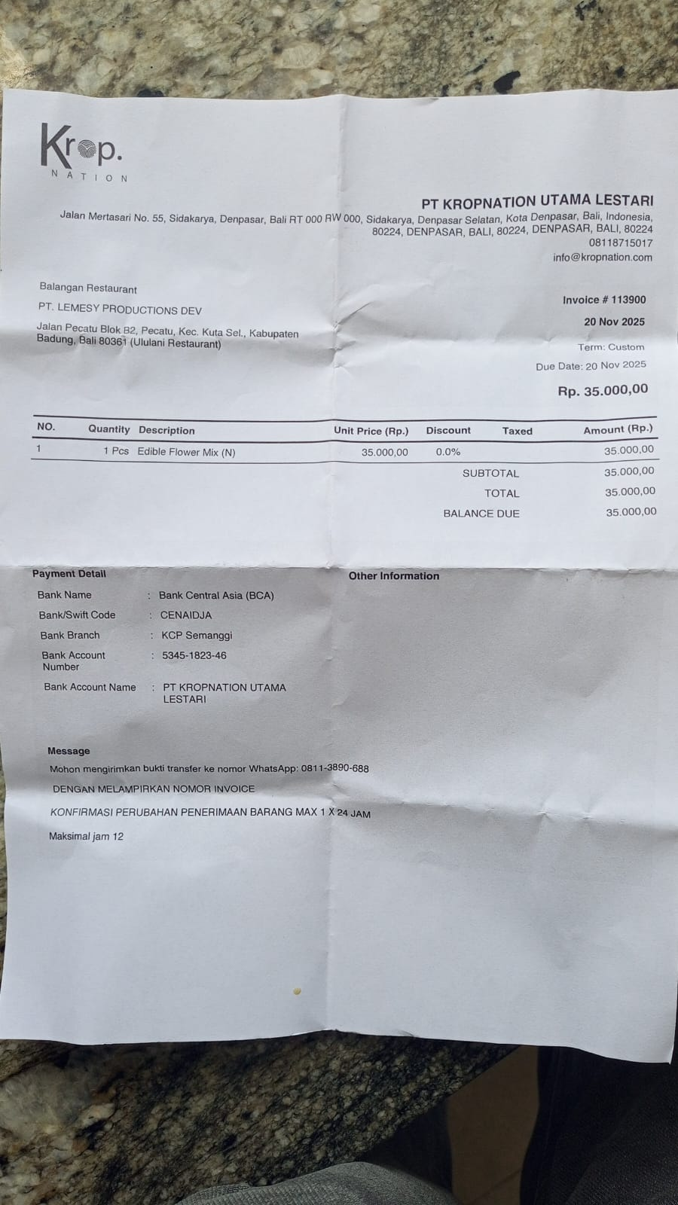 | Rp35,000 | Rp35,000 | Rp35,000
20-Nov-2025 | 113901 | EDIBLE FLOWER (N) | 1 | 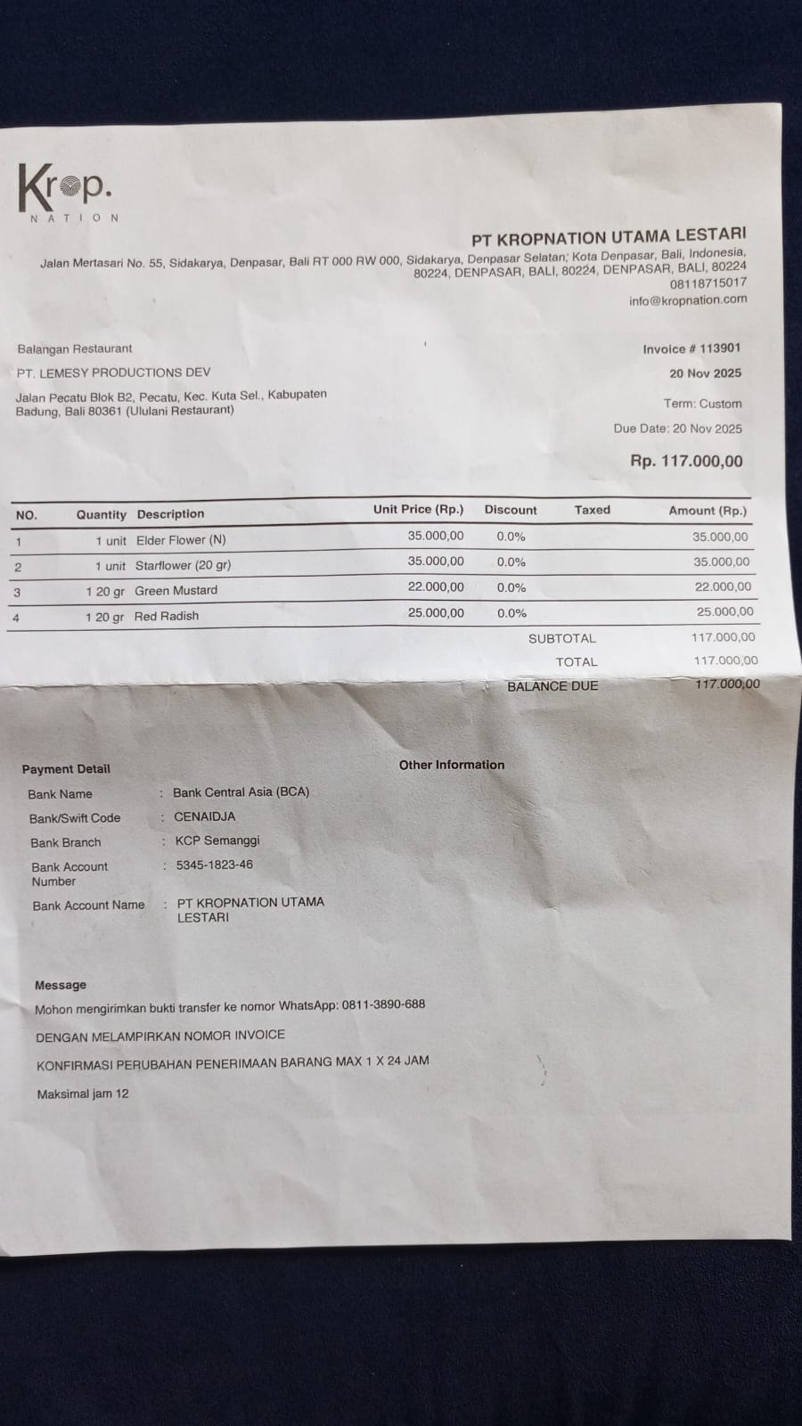 | Rp35,000 | Rp35,000 | Rp117,000
 |  | STARFLOWER (20 GR) | 1 |  | Rp35,000 | Rp35,000
 |  | GREEN MUSTARD | 1 |  | Rp22,000 | Rp22,000
 |  | RED RADISH | 1 |  | Rp25,000 | Rp25,000
TOTAL |  |  |  |  |  |  | Rp152,000

